Q4 2018 SQ Special Report
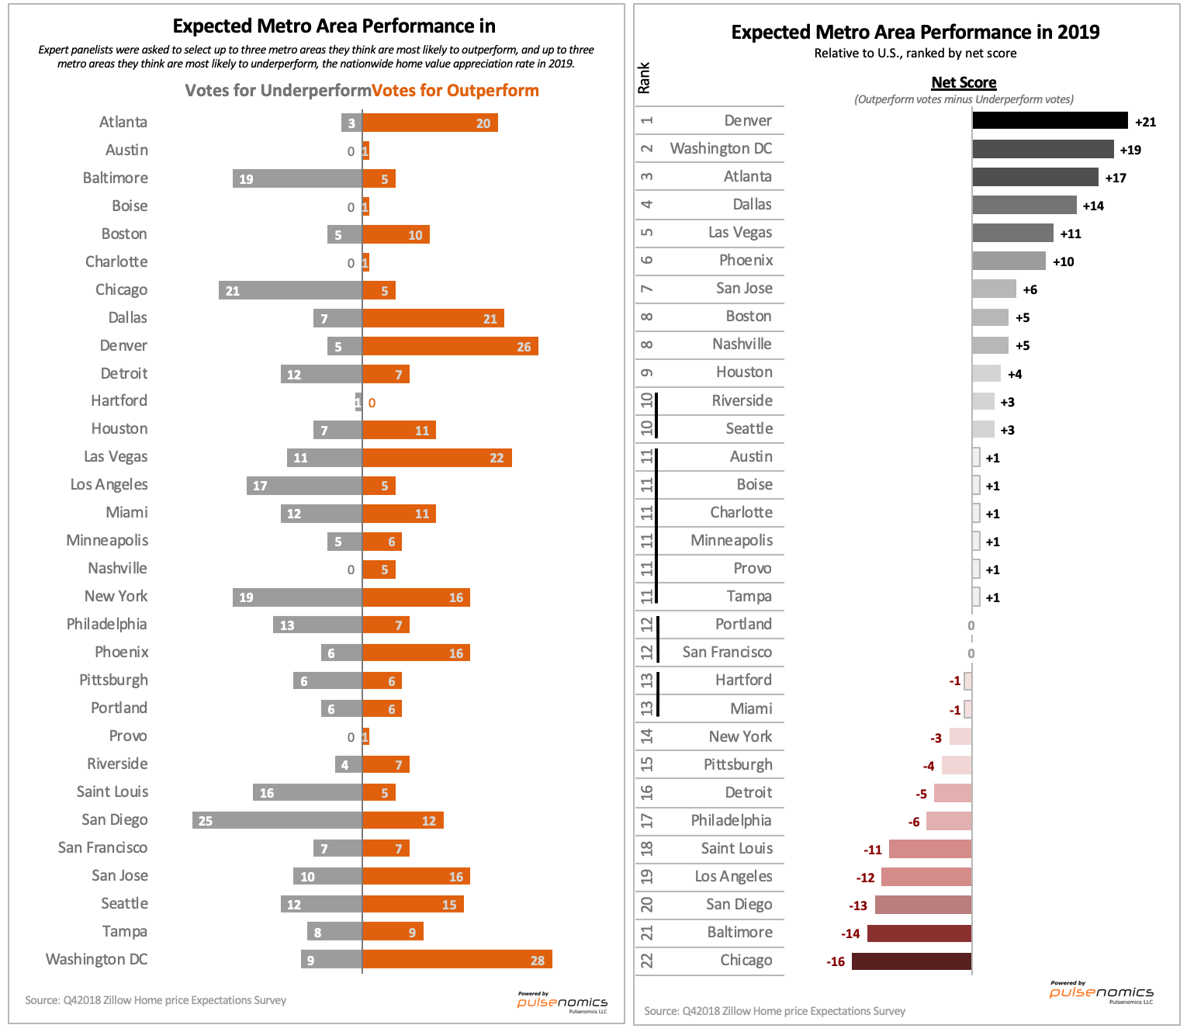
 |  |  |  |  |  |  |  |  |  |  | Pulsenomics LLC All rights reserved
Q4 2018 Zillow Home Price Expectations Survey - Special Report

Topic: Risk Assessment of Home Price Forecast

Which choice best applies to your long-term outlook for home values?

 |  |  |  |  |  | Expected Home Value Change*
Answer choice: |  | # | Percent | % w/opinion |  | Through 2023 (Cumulative) |  | Annual Average |  |  |  |  | Balanced | Downside | Upside

60%
There is risk to the upside |  | 7 | 6% | 6% |  | 28.0% |  | 4.2% | UPSIDE |  |  | Current Survey | 33% | 60% | 6%
There is risk to the downside |  | 67 | 59% | 60% |  | 20.7% |  | 3.2% | DOWNSIDE |  |  | Prior Survey | 28% | 55% | 17%
The risk is balanced |  | 37 | 32% | 33% |  | 24.4% |  | 3.7% | BALANCED
No Response |  | 3 | 3% | n/a |  | n/a
Total |  | 114 | 100% | 100% |  | 22.4% |  | 3.4%

*Mean expectations of respondents by answer choice. A total of 114 panelists participated in the Q4 survey; 111 of them rated the risk of their forecast.

Topic: Home Values and Mortgage Rates

Think about the relationship between home values and interest rates. Relative to the past, how would you characterize the sensitivity of home values today to changes in mortgage rates?

 | Answer choice: |  |  |  | # | Percent | % w/opinion
 | Much more sensitive |  |  |  | 12 | 11% | 12%
 | Somewhat more sensitive |  |  |  | 48 | 42% | 46%
 | No more or less sensitive |  |  |  | 28 | 25% | 27%
 | Somewhat less sensitive |  |  |  | 15 | 13% | 14%
 | Much less sensitive |  |  |  | 1 | 1% | 1%
 | Not sure |  |  |  | 2 | 2% | n/a
 | No Response |  |  |  | 8 | 7% | n/a
 | Total |  |  |  | 114 | 100% | 100%

Topic: Homeownership Rate / 2019 Home-Buying Activity

In late October, the U.S. Census Bureau published its latest homeownership rate data. As of Q3 2018, the national rate was 64.4 percent. Here is the two-decade trend:

What do you think the U.S. homeownership rate will be (a) two years from now and (b) five years from now?

 | Expected Homeownership Rate: |  |  |  |  |  |  | In Two Years |  | In Five Years

 |  |  |  |  |  | Responses |  | 102 |  | 102
 |  |  |  |  |  | Min |  | 60.0% |  | 60.0%
 |  |  |  |  |  | Max |  | 67.0% |  | 68.0%
 |  |  |  |  |  | Mean |  | 64.9% |  | 65.5%
 |  |  |  |  |  | Median |  | 65.0% |  | 65.9%
 |  |  |  |  |  | Mode |  | 65.0% |  | 66.0%

 |  |  |  |  |  | Will be higher
 |  |  |  |  |  |  | # | 86 |  | 90
 |  |  |  |  |  |  | % | 84.3% |  | 88.2%

 |  |  |  |  |  | Will be lower
 |  |  |  |  |  |  | # | 16 |  | 12
 |  |  |  |  |  |  | % | 15.7% |  | 11.8%

For each of the four categories of home-shoppers listed below, which choice best reflects your expectations for their buying activity next year relative to 2018?
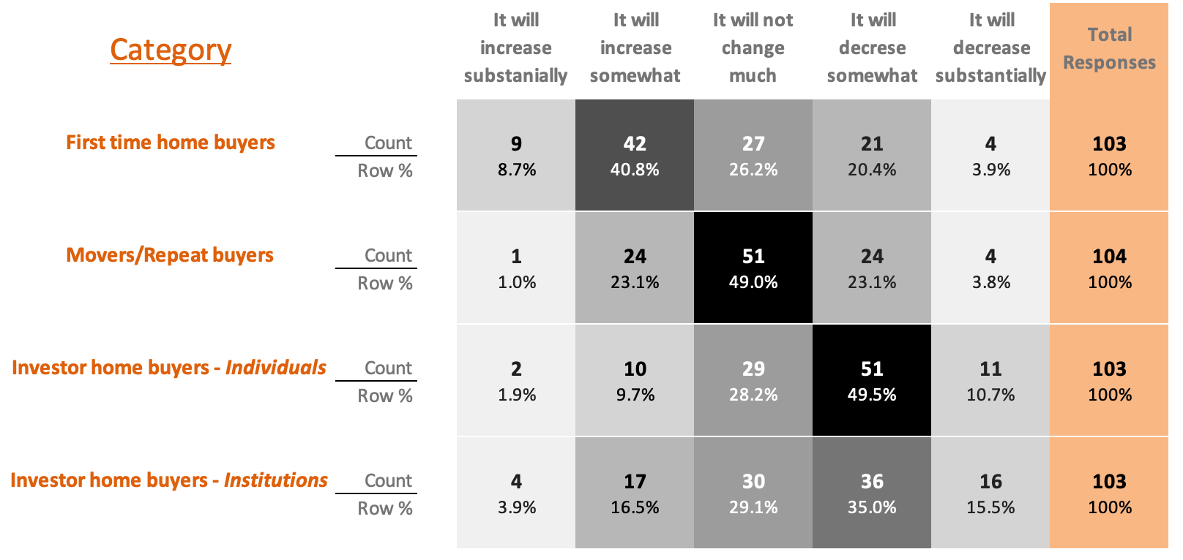

Topic: Metro area market performance

Nation-wide, home values increased by an average of 7.6 percent through the first three quarters of 2018. Of course, home value appreciation varies according to specific geography; for example, while home values in San Jose have increased more than 20 percent YTD through September, those in Washington DC are up less than 4 percent.

Looking ahead to 2019, which three metro areas do you think are most likely to outperform the national average rate of home value appreciation... and which three do you think are most likely to underperform?

